2014 - New Product DENTAL
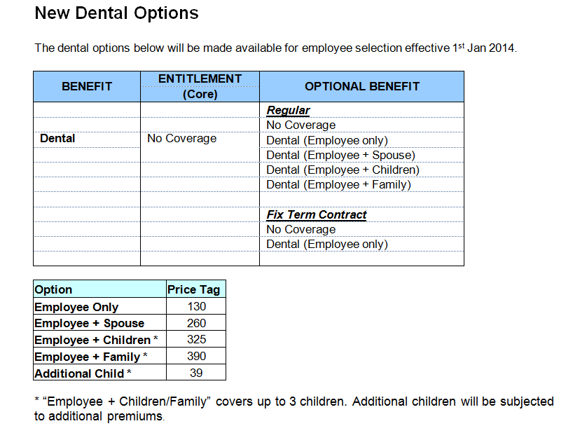

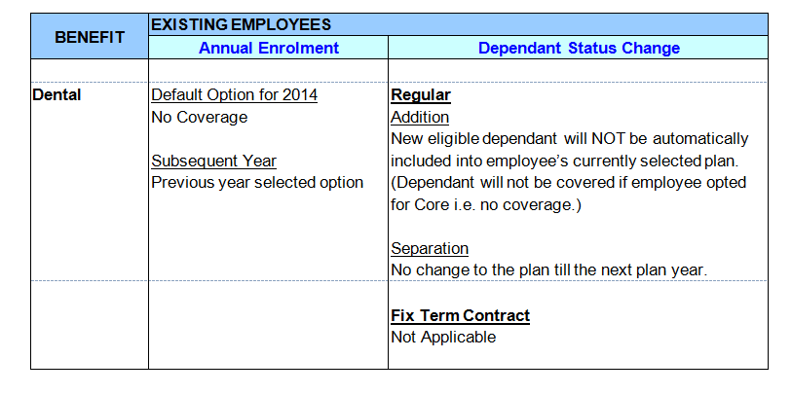

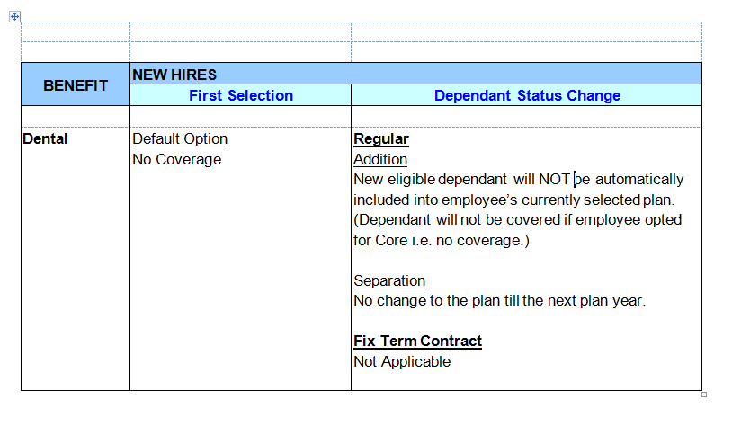

2014 - New FSA items
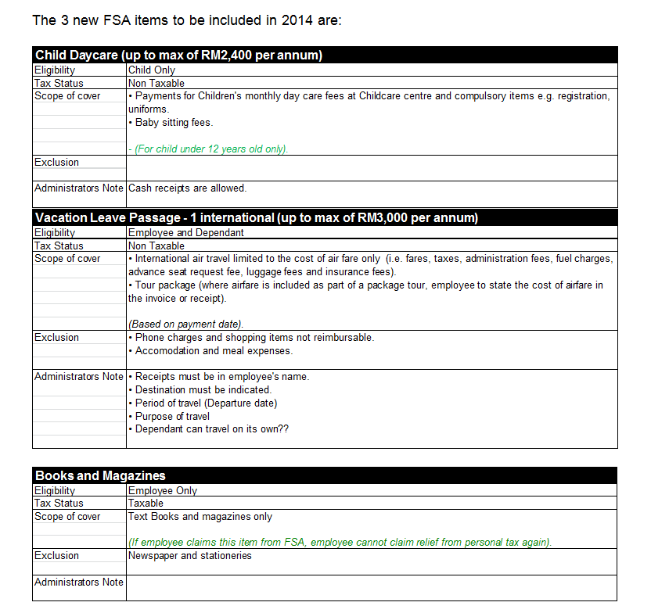

Payment File
DiGi - Payment File Format
Sorted by Employee ID
format : CSV comma delimited

Column | Field Description | Remarks
Column A | Element | Element Mapping TBD
Column B | Employee ID
Column C | 0 | default to zero value for all transaction
Column D
Column E
Column F | Sequence number | 1,2,3,4,5,6…etc
Column G
Column H
Column I
Column J
Column K
Column L
Column M
Column N | Total

Example 1: Payment file
DG PAYMENT TAXABLE | 03650 | 0 | 1 | 800.00
DG PAYMENT TAXABLE | 04971 | 0 | 2 | 500.00
DG PAYMENT TAXABLE | 02312 | 0 | 3 | 250.00
DG PAYMENT NON TAXABLE | 05203 | 0 | 4 | 332.00
DG PAYMENT NON TAXABLE | 01252 | 0 | 5 | 972.00
DG REFUND TAXABLE | 00003 | 0 | 6 | 510.30
DG REFUND NON TAXABLE | 00004 | 0 | 7 | 1234.56

*Header is not required
*Payment file will be transferred via email.
* DiGi to provide the pay element including the refund code

Elements to be created in HRMS system
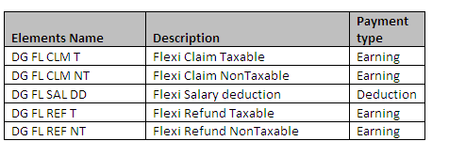

Wage codes currently setup for Digi

Payment file should pick up only 'Payment' related records.

Salary Deduction File
DiGi - Salary Deduction File Format
Sorted by Employee ID
format : CSV comma delimited

Column | Field Description | Remarks
Column A | Element | Element Mapping TBD
Column B | Employee ID
Column C | 0 | default to zero value for all transaction
Column D
Column E
Column F | Sequence number | 1,2,3,4,5,6…etc
Column G
Column H
Column I
Column J
Column K
Column L
Column M
Column N | Total Deduction

Example 1: Payment file
DG DEDUCTION TAXABLE | 03650 | 0 | 1 | 800.00
DG DEDUCTION TAXABLE | 04971 | 0 | 2 | 500.00
DG DEDUCTION TAXABLE | 02312 | 0 | 3 | 250.00
DG DEDUCTION NON TAXABLE | 05203 | 0 | 4 | 332.00
DG DEDUCTION NON TAXABLE | 01252 | 0 | 5 | 972.00

*Header is not required
*Payment file will be transferred via email.
* DiGi to provide the pay element including the refund code

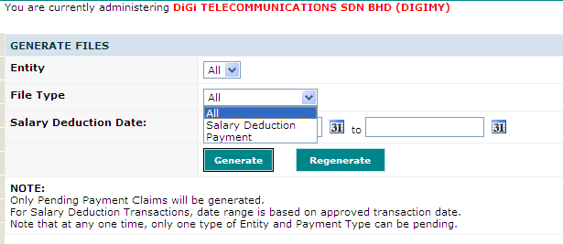

Salary Deduction file will pick up any overpurchase/clawback transactions

